Sheet1
 |  | 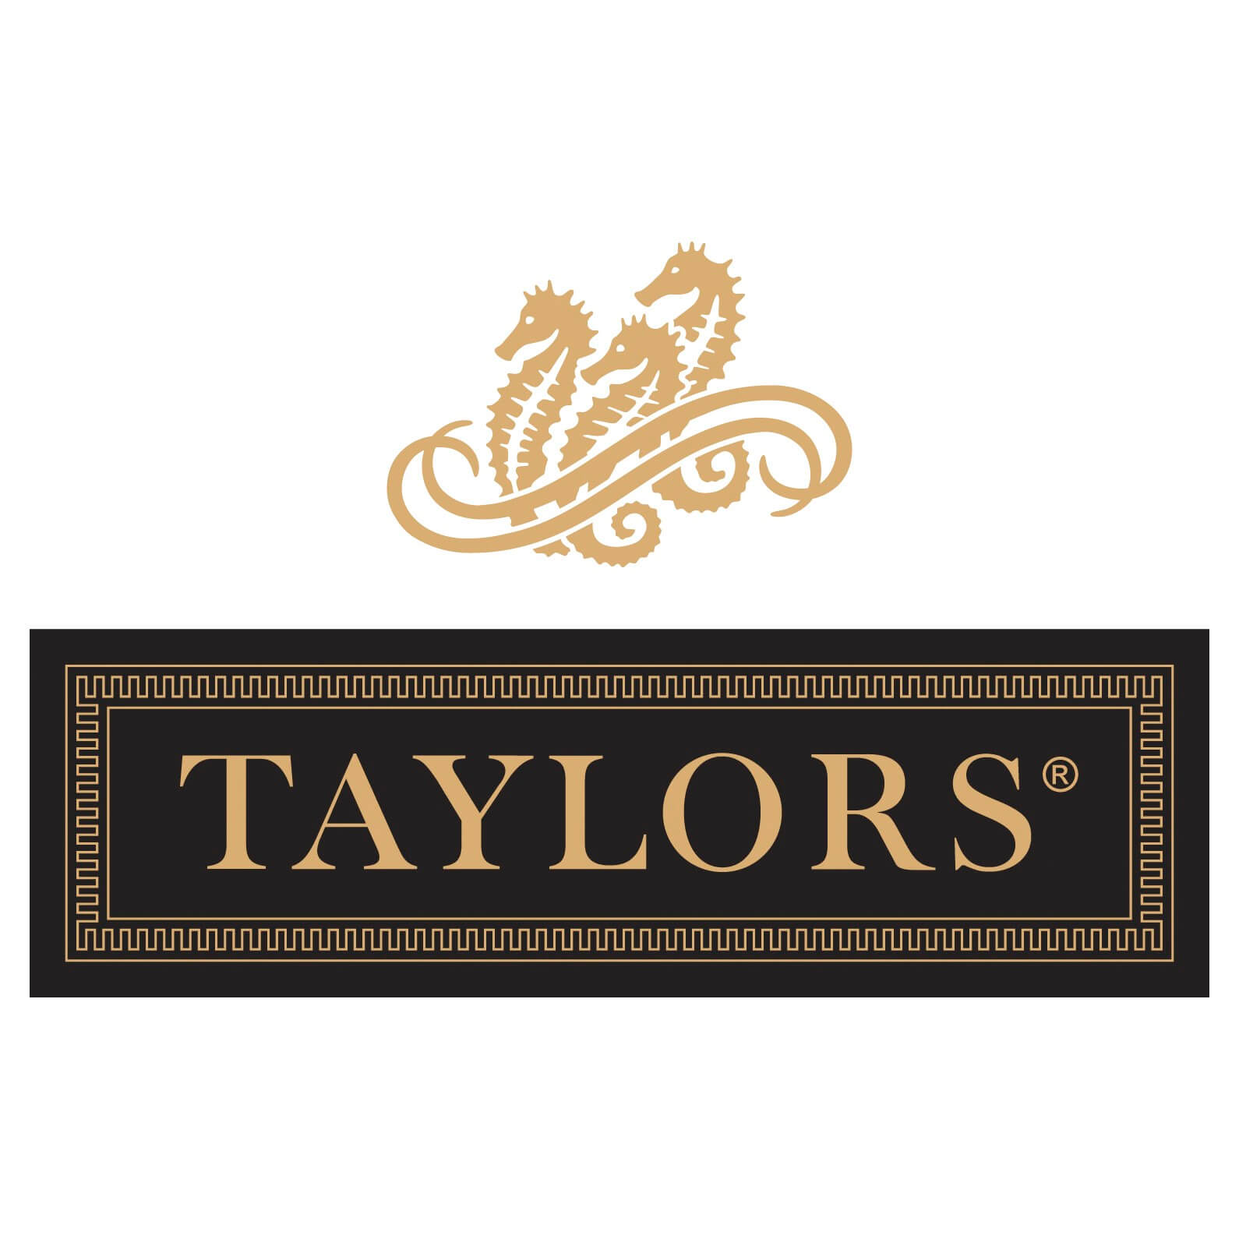 |  |  |  | 

Contact / Delivery Details
Name:
Address:
Postcode:
Mobile Ph:
E-mail:

Minimum order 6 bottles (excludes The Visionary & The Pioneer, which can be ordered in single bottles).
Orders can be made up across all ranges and varietals.
For every 12 bottles ordered (across any ranges), Taylors Wines will gift a complimentary bottle of Taylor Made Prosecco to you.

 |  | Vintage | Recommended Retail Price | Queensland Leaders Bottle Price | Queensland Leaders 6 Bottle Price | QTY | Value
Taylor Made | Shiraz | 2018 | $25.00 | $20.00 | $120.00 |  | $0.00
 | BDX | 2018 | $25.00 | $20.00 | $120.00 |  | $0.00
 | Pinot Noir | 2019 | $25.00 | $20.00 | $120.00 |  | $0.00
 | Malbec | 2021 | $25.00 | $20.00 | $120.00 |  | $0.00
 | Pinot Noir Rose | 2020 | $25.00 | $20.00 | $120.00 |  | $0.00
 | Chardonnay | 2021 | $25.00 | $20.00 | $120.00 |  | $0.00
 | Prosecco | N/V | $25.00 | $20.00 | $120.00 |  | $0.00

Jaraman | Chardonnay | 2020 | $26.00 | $21.00 | $126.00 |  | $0.00
 | Grenache | 2020 | $32.00 | $25.00 | $150.00 |  | $0.00
 | Pinot Noir | 2019 | $32.00 | $25.00 | $150.00 |  | $0.00
 | Cabernet Sauvignon | 2018 | $32.00 | $25.00 | $150.00 |  | $0.00
 | Shiraz | 2019 | $32.00 | $25.00 | $150.00 |  | $0.00

Masterstroke | Shiraz | 2019 | $60.00 | $50.00 | $300.00 |  | $0.00
 | Cabernet Sauvignon | 2019 | $60.00 | $50.00 | $300.00 |  | $0.00
 | Cabernet Shiraz | 2016 | $60.00 | $50.00 | $300.00 |  | $0.00

St Andrews | Riesling | 2018 | $38.00 | $34.00 | $204.00 |  | $0.00
 | Chardonnay | 2017 | $38.00 | $34.00 | $204.00 |  | $0.00
 | Shiraz | 2017 | $75.00 | $65.00 | $390.00 |  | $0.00
 | Cabernet Sauvignon | 2017 | $75.00 | $65.00 | $390.00 |  | $0.00

The Pioneer | Shiraz | 2014 | $225.00 | $185.00 |  |  | $0.00

The Visionary | Cabernet Sauvignon | 2014 | $225.00 | $185.00 |  |  | $0.00

 |  |  |  | Sub Total |  |  | $0.00
 |  |  |  | Freight
 |  |  |  | Total |  | 0 | 0

Payment Details:

Name on Card: |  |  |  | Visa*

Card Number: |  |  |  | Mastercard*

Expiry Date: / |  | CVC: |  | AMEX*

Cardholder's Signature |  |  |  | Diners**

* 1% surcharge applies. **2%Surcharge applies

Please Note:
Vintages subject to change,
This Queensland Leaders exclusive is being run through Queensland Cricketers Club,
Unless pre arranged all orders to be collected from Queensland Cricketers Club on the 11/11/12,
Email henry.salmon@taylorswines.com.au with any questions or for further information.

